photos
Lens Colour | Image | Product Code
Clear |  | CEENSR110AF
Clear |  | CEENSR120
Clear |  | CEENCK210AF
Clear |  | CEENCL110
Clear |  | CEENCL110
Clear |  | CEENDL210AF
Clear |  | CEENKD110
Clear |  | CEENLW210
Clear |  | CEENRP210AF
Clear |  | CEENST110AF
Clear |  | CEENST120
Clear |  | CEENTK110
Amber | 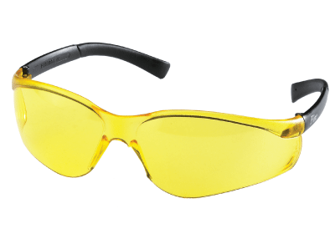 | 83004/20
Amber |  | CEENKD314AF
Amber |  | CEENLW214
Grey |  | CEENBK112
Grey |  | CEENCL112
Grey |  | CEENDL212AF
Grey |  | CEENFF232
Grey |  | CEENT3112AF
Grey |  | CEENKD112
Grey |  | CEENKD312AF
Grey |  | CEENLW212
Grey |  | CEENRT112AF
Grey |  | CEENRP212AF
Grey |  | CEENSS112
Grey |  | CEENSR122AF
Grey |  | CEENTK112
Blue |  | 83005/20
Blue | 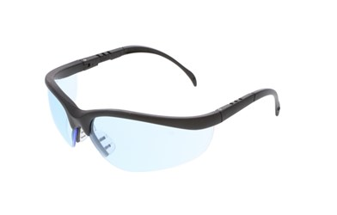 | CEENKD113
Blue | 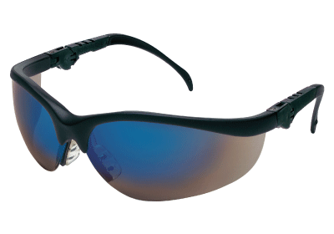 | CEENKD318B
Blue | 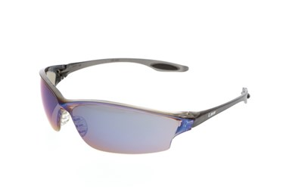 | CEENLW218
Blue |  | CEENRP218B
Blue |  | CEENSR118B
Blue |  | CEENSR148B
Blue |  | CEENSR128B

